Sayfa1
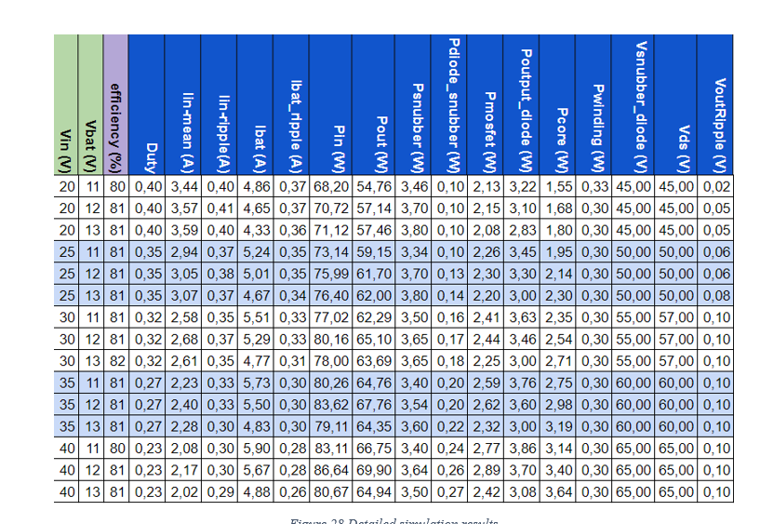
Vin | Vset | Efficiency | Duty | Iin-mean | Iout-mean | Pin(w) | Pout(w) | Psnubber | Pdiode_snubber | Pmosfet | Pcore | Pwinding | Psnubber_diode | Vds | Vout_ripple | pdiode_rect | Pshunt | Pesr
20.0 | 13.0 | 71.2 | 46.0 | 3.9 | 4.6 | 80.2 | 57.1 | 3.0 | 0.1 | 0.9 | 1.7 | 0.3 | 0.6 | 53.0 | 0.5 | 3.0 | 2.2 | 5.3
25.0 | 13.0 | 77.6 | 41.0 | 3.0 | 4.6 | 74.8 | 58.1 | 2.6 | 0.1 | 0.9 | 2.2 | 0.3 | 0.6 | 56.0 | 0.4 | 2.9 | 1.6 | 4.2
30.0 | 13.0 | 80.1 | 35.0 | 2.4 | 4.6 | 73.6 | 59.0 | 2.5 | 0.2 | 0.9 | 2.6 | 0.2 | 0.5 | 60.0 | 0.4 | 2.9 | 1.2 | 3.5
35.0 | 13.0 | 80.5 | 31.0 | 2.1 | 4.6 | 73.2 | 59.0 | 2.3 | 0.2 | 0.9 | 3.0 | 0.2 | 0.5 | 63.8 | 0.4 | 2.9 | 3.0 | 1.0
40.0 | 13.0 | 80.8 | 28.0 | 1.8 | 4.6 | 73.0 | 59.0 | 2.3 | 0.2 | 1.0 | 3.5 | 0.3 | 0.4 | 68.0 | 0.3 | 2.8 | 0.8 | 2.7
NA | NA | 78.06 | NA | 2.64 | 4.58 | 74.95 | 58.41 | 2.53 | 0.16 | 0.92 | 2.59 | 0.23 | 0.52 | 60.15 | 0.40 | 2.91 | 1.8 | 3.3

